Overview
Welcome to Our UAT!

 |  | UAT Overview

 |  | TEST DATE: | 2023-04-24 |  | TEST ENVIRONMENT | Sandbox, Test

 |  | TEST COVERAGE: | Adding line slip data |  | TEST PARTICIPANTS: | Sylvan, Lorrie, Stephen, Bryan, Angela
 |  |  | Manage written lines
 |  |  | Manage signed lines
 |  |  | Download documents in excel |  | TEST COORDINATOR: | Karaleise
 |  |  | Capture risk details
 |  |  | Create insurance reports
 |  |  | Manage programs
 |  |  | Manage layers
 |  |  | Manage UW authority limits

 | Test Completion |  |  |  | Bugs by Priority
Tests Completed | 6
Not Yet Completed | 3
Critical | 2
High | 6
Medium | 3
Low | 4

Adding line slip data | 7
Manage written lines | 4
Manage signed lines | 5
Document management | 5
Risk assessment | 4
Reports | 1
Manage programs | 1
Manage layers | 1
Underwriting Authority | 1
 |  |  |  | Bugs by Feature
 | Bugs by status
Open | 5
Fixed | 3
In progress | 4
Won't Fix | 2
Deferred | 2

UAT Bug Tracking
 | ORCA BUG TRACKING LIST
 |  |  |  |  |  | To be completed by project team
TEST AREA | DESCRIPTION | SCREEN CAPTURE | CLIENT | REPORTED BY | STATUS | BUG TYPE | DevOps TICKET # | PRIORITY | COMMENTS
Line Slip Data | Unable to save Slip data. Getting 504 error when I click save | 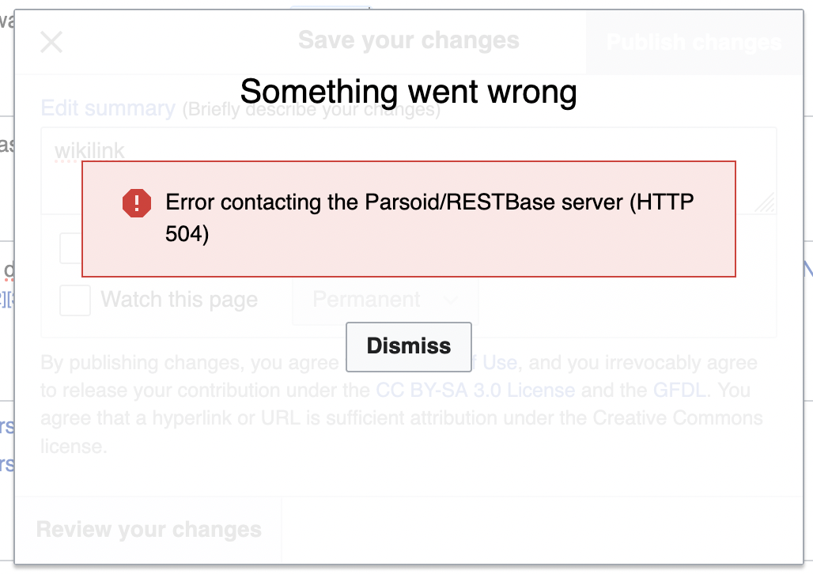 | Hilton Hotel | Karaleise | Open | Missed requirement |  | Critical |  |  | Status Chart Data
Manage signed lines |  |  |  |  | Fixed |  |  | High |  |  | Open | 5
Line Slip Data |  |  |  |  | In progress |  |  | High |  |  | Fixed | 3
Risk assessment |  |  |  |  | Open |  |  | Critical |  |  | In progress | 4
Line Slip Data |  |  |  |  | Open |  |  | Medium |  |  | Won't Fix | 2
Line Slip Data |  |  |  |  | Open |  |  | Medium |  |  | Deferred | 2
Risk assessment |  |  |  |  | Won't Fix |  |  | Medium
Manage signed lines |  |  |  |  | Fixed |  |  | High
Manage written lines |  |  |  |  | In progress |  |  | Low
Line Slip Data |  |  |  |  | In progress |  |  | Low
Manage signed lines |  |  |  |  | In progress |  |  | High |  | Priority Chart Data
Manage signed lines |  |  |  |  | Open |  |  | High |  |  | Critical | 2
Manage signed lines |  |  |  |  | Fixed |  |  | Low |  |  | High | 6
Manage written lines |  |  |  |  | Won't Fix |  |  | Low |  |  | Medium | 3
Manage written lines |  |  |  |  | Deferred |  |  | High |  |  | Low | 4
Manage written lines |  |  |  |  | Deferred
Document management
Risk assessment
Reports |  |  |  |  |  |  |  |  |  | Progress Chart Data
Document management |  |  |  |  |  |  |  |  |  |  | Tests Completed | 6
Document management |  |  |  |  |  |  |  |  |  |  | Not Yet Completed | 3
Document management
Document management
Manage programs |  |  |  |  |  |  |  |  |  | Feature Chart
Manage layers |  |  |  |  |  |  |  |  |  |  | Adding line slip data | 7
Risk assessment |  |  |  |  |  |  |  |  |  |  | Manage written lines | 4
Line Slip Data |  |  |  |  |  |  |  |  |  |  | Manage signed lines | 5
Line Slip Data |  |  |  |  |  |  |  |  |  |  | Document management | 5
Underwriting Authority |  |  |  |  |  |  |  |  |  |  | Risk assessment | 4
 |  |  |  |  |  |  |  |  |  |  | Reports | 1
 |  |  |  |  |  |  |  |  |  |  | Manage programs | 1
 |  |  |  |  |  |  |  |  |  |  | Manage layers | 1
 |  |  |  |  |  |  |  |  |  |  | Underwriting Authority | 1

